Calculation
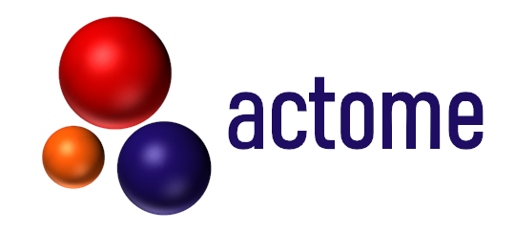
Antibody Deglycosylation |  |  |  |  |  |  | Explanation
Evaluation of the Deglycosylation Efficiency

Name of Antibody |  | AB1 | AB2 | AB3 | AB4 | AB5
Peak Description | Peak Size [kDa] | Antibody Concentration from Bioanalyzer [ng/µl]
Light Chain (lc) | 26 ± 3
deglycosylated Heavy Chain (hc) | 50 ± 4
native Heavy Chain (hc) | 54 ± 4

Total Deglycosylation Efficiency [%] |  | 0 | 0 | 0 | 0 | 0

Antibody Labeling
Evaluation of the Labeling Efficiency

Name of Antibody |  | AB1 | AB2 | AB3 | AB4 | AB5
Peak Description | Peak Size [kDa] | Antibody Concentration from Bioanalyzer [ng/µl]
Light Chain (lc) | 26 ± 3
deglycosylated Heavy Chain (hc) | 50 ± 4
Heavy Chain (hc) + Label (hc labeled) | 75 ± 5

Total Conjugation Efficiency [%] |  | 0 | 0 | 0 | 0 | 0

